Tank
 | BOARD |  | BCM | BOARD | BCM | BOARD
 | PIN | Function | GPIO # | PIN NUMBER | GPIO # | PIN | Function
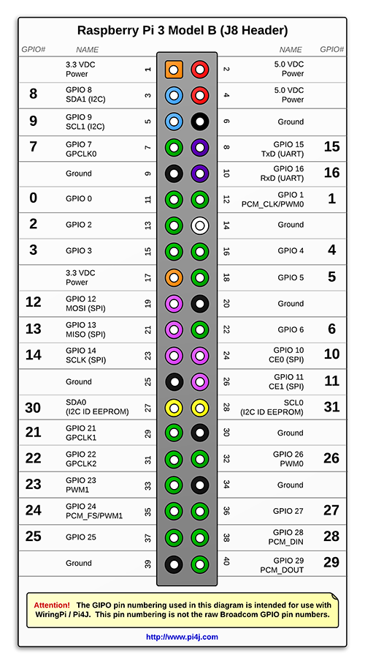

yellow | 7 | front_sensor_trig

green | 11 | lft_ena |  |  |  | 12 | pan_control
 | 13 | lft_rev
 | 15 | lft_fwd |  |  |  | 16 | rt_ena
 |  |  |  |  |  | 18 | rt_fwd

 |  |  |  |  |  | 22 | rt_rev

 | 29 | front_sensor_echo
yellow | 31 | back_sensor_trig
green | 33 | back_sensor_echo

image: http://pi4j.com/pins/model-3b-plus-rev1.html

PAN
 | Pin | Function | Pin | Function

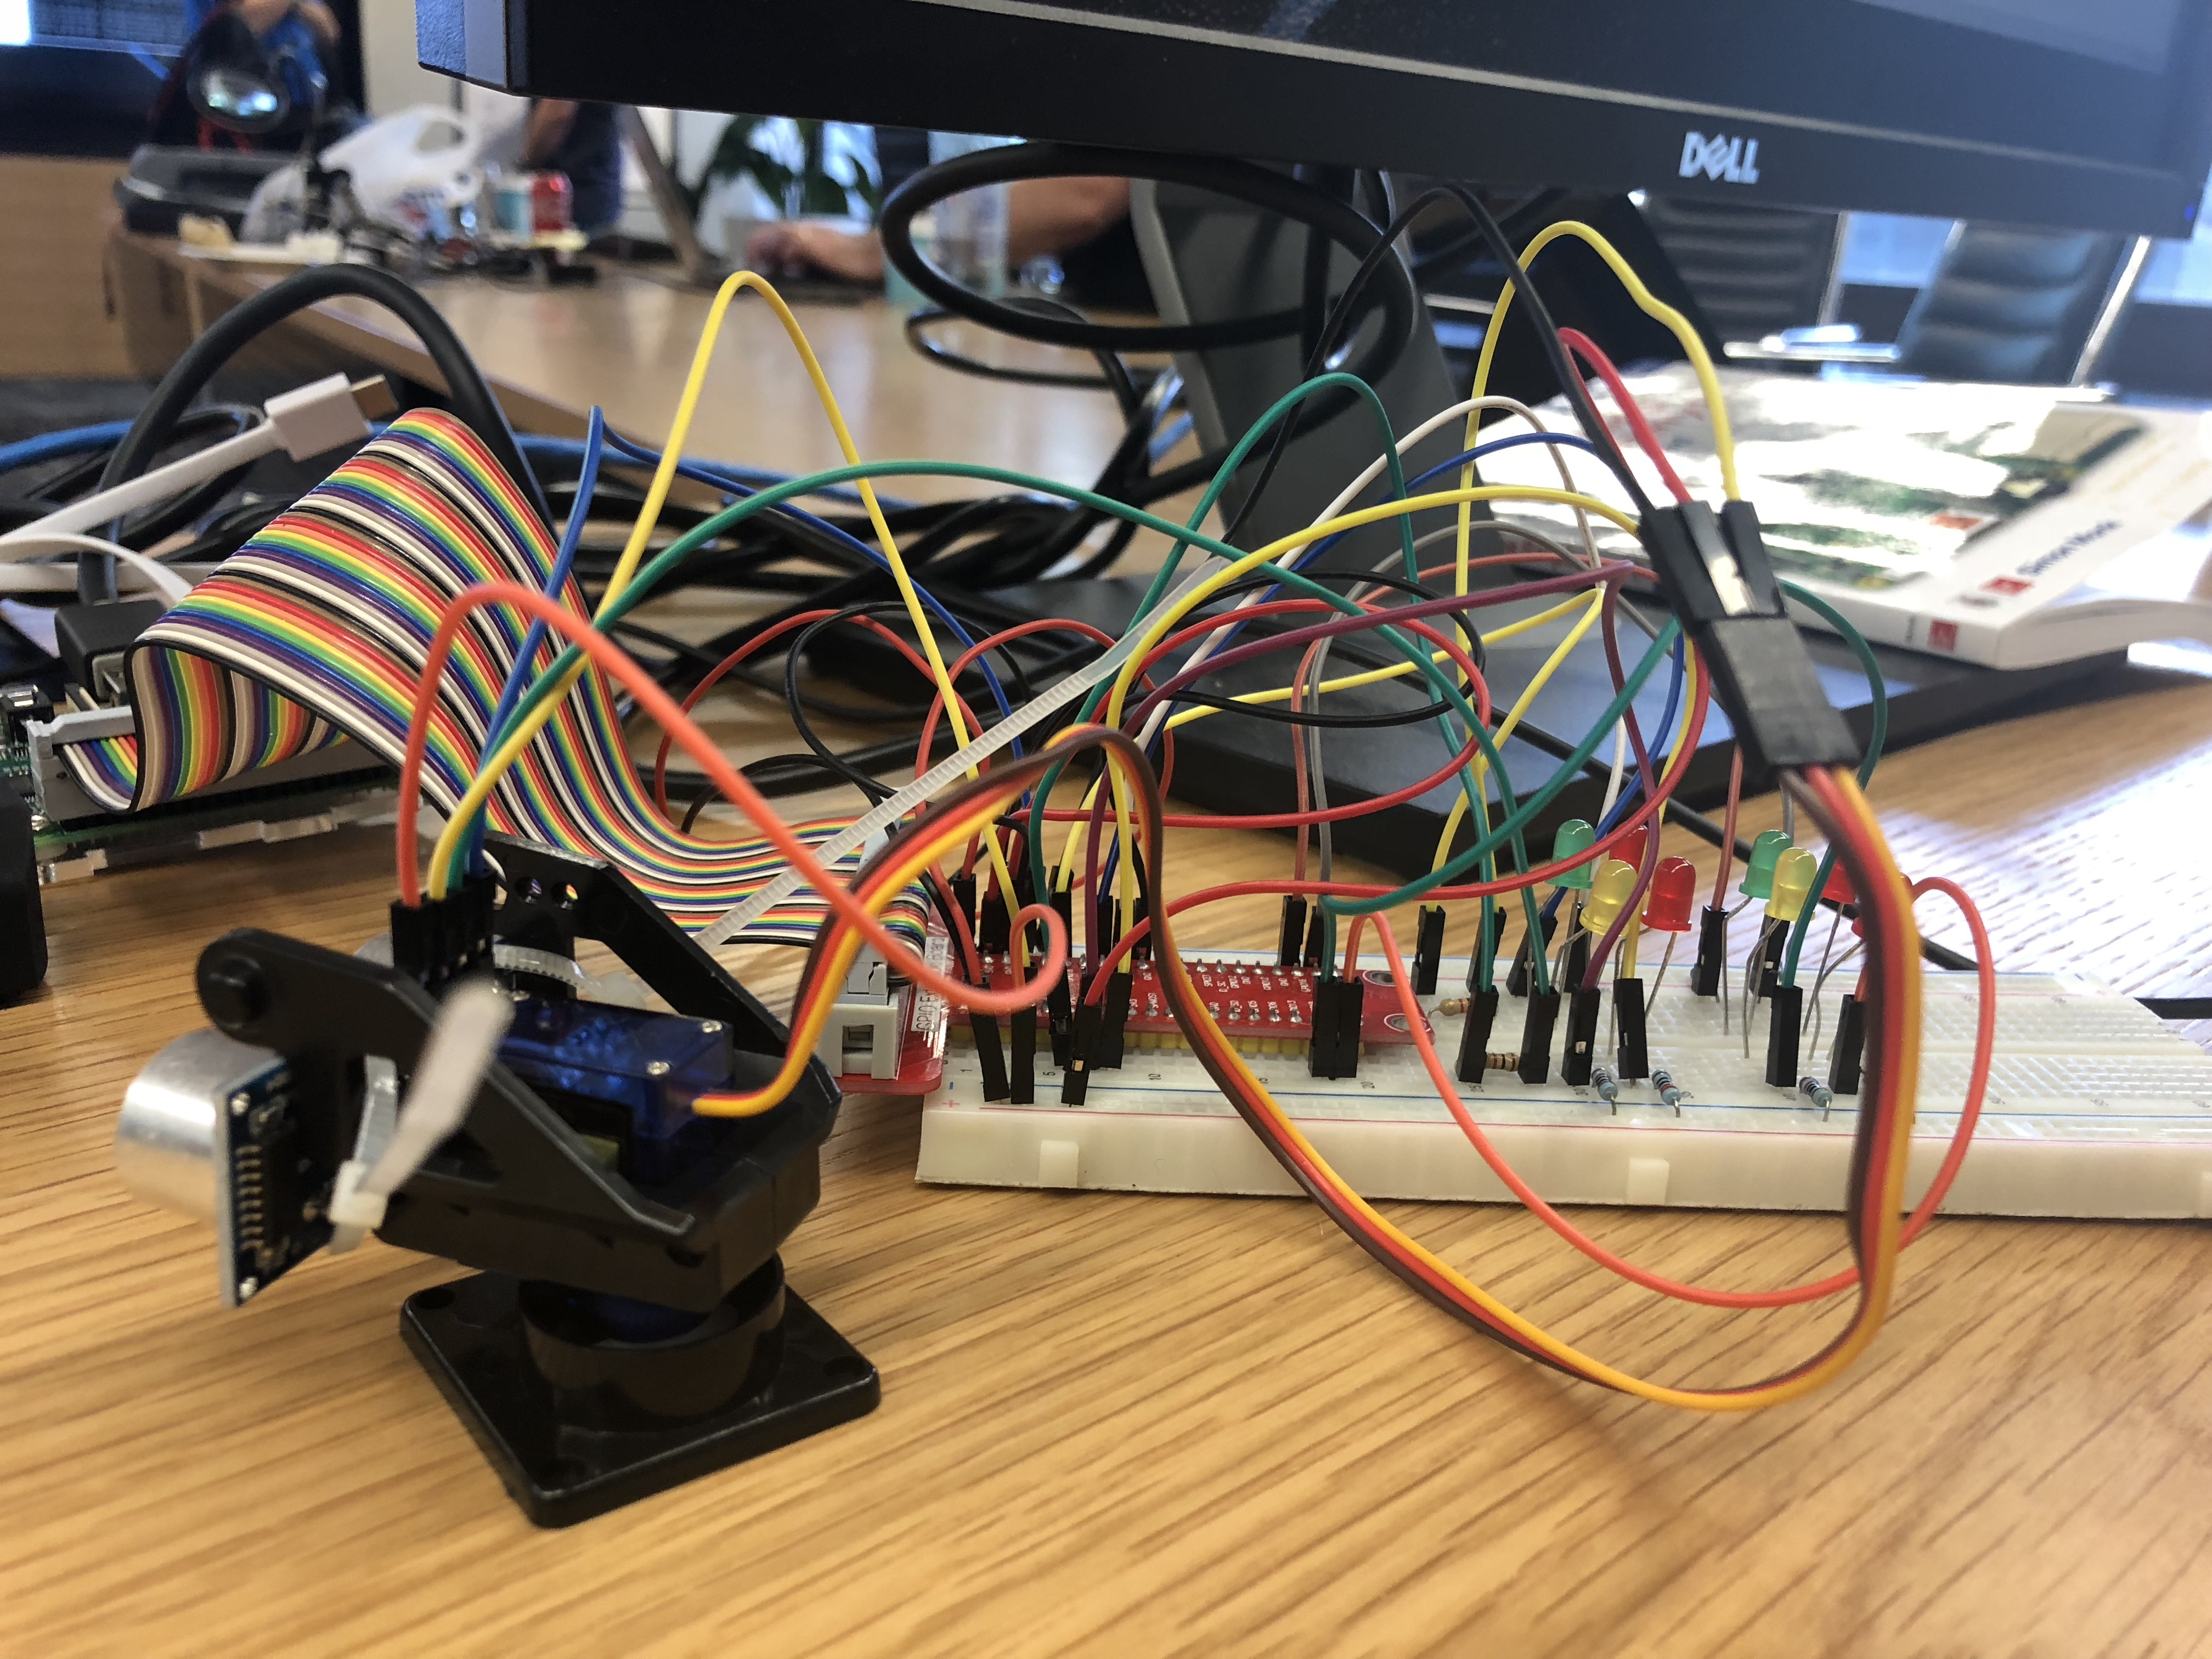

yellow | 7 | front_sensor_trig

green | 11 | front_sensor_echo | 12 | pan_control
 | 13 | lft_fr_fwd
 | 15 | lft_fr_rev | 16 | rt_fr_fwd
 |  |  | 18 | rt_fr_rev

 | 29 | lft_mtr_enable
yellow | 31 | back_sensor_trig | 32 | rt_mtr_enable
green | 33 | back_sensor_echo
 | 35 | lft_bk_fwd | 36 | rt_bk_fwd
 | 37 | lft_bk_rev | 38 | rt_bk_rev

 |  |  |  | image: http://pi4j.com/pins/model-3b-plus-rev1.html

